Menu Order
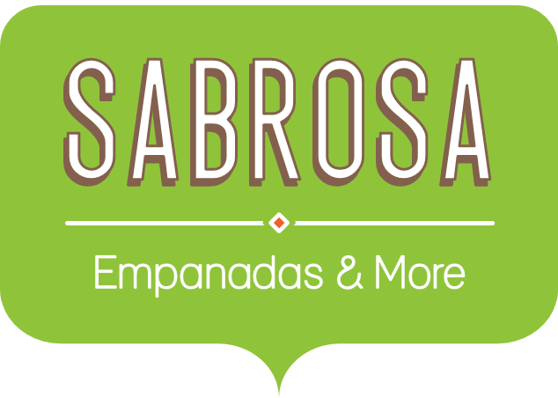 Menu Order
Sales Tax |  |  |  | 8.0%
Menu Item | Price | Quantity | Sales Tax | Total
Empanadas: Beef Picadillo | $2.99 | 15 | $3.59 | $48.44
Empanadas: Chipotle Shrimp | $3.99 | 10 | $3.19 | $43.09
Empanadas: Black Bean & Plantain | $2.49 | 20 | $3.98 | $53.78
Tamales: Chicken Tinga | $2.29 | 20 | $3.66 | $49.46
Tamales: Vegetable | $2.29 | 30 | $5.50 | $74.20
Arepas: Carnitas | $2.89 | 10 | $2.31 | $31.21
Arepas: Queso Blanco | $2.49 | 20 | $3.98 | $53.78
Empanadas: Apple Cinnamon | $3.19 | 40 | $10.21 | $137.81
Beverages: Horchata | $1.89 | 25 | $3.78 | $51.03
Beverages: Lemonade | $1.89 | 35 | $5.29 | $71.44
Beverages: Tamarindo | $1.89 | 10 | $1.51 | $20.41
Total |  |  |  | $634.66

